COVID-19 Instructions
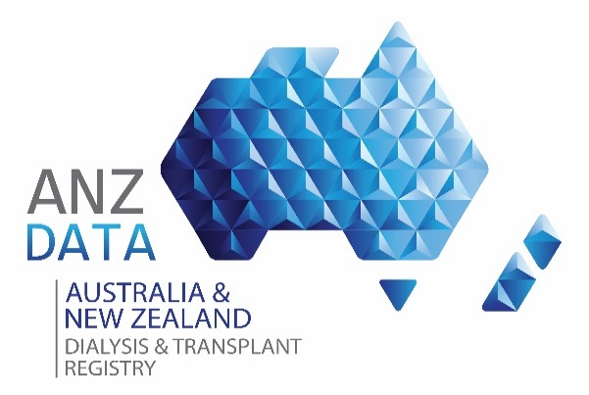 
 | Vaccine Brand | Source Of Infection | Vaccination Status | Vaccine Doses | Parnt Centre Code | Todays Date
 | AstraZeneca | Close Contact | Y | One | ACSN | 2022-10-18
 | Pfizer | Community Contact | N | Two | ALFD
 | Moderna | Quarrantine Contact |  | Booster | ALIC
 | Other (Specify) | Hospital Acquied |  |  | AUCK
 |  | Overseas Contact |  |  | AUST
 |  |  |  |  | BATH
 |  |  |  |  | BEND
 |  |  |  |  | BUND
 |  |  |  |  | CAIR
Tracking COVID-19 in Dialysis and Transplant patients across Australia and New Zealand |  |  |  |  | CANB
 |  |  |  |  | CARS
The rate of infection of COVID-19 is clearly increasing, with incipient community spread. This infection poses particular risks and has particular issue for both dialysis and kidney transplant patients. While it is currently a notifiable disease, the general community statistics will not give an indication of the spread among dialysis and transplant patients. |  |  |  |  | CHCH
 |  |  |  |  | CHER
From Monday, 16th March 2020, the Registry implemented collection of a 'positive COVID-19 test result and test date' and in 2021 an extended data collection commenced to better undertand the longterm impact for ESKD patients. |  |  |  |  | CHWM
 |  |  |  |  | CNAR
Use this via electronic data capture (EDC) template in real time. Data is to be sent to the Registry and will be reported back to the Renal community weekly. |  |  |  |  | COFF
The worksheet you are directed to is utilised to report postive test results for bulk numbers of patients. |  |  |  |  | CONC
 |  |  |  |  | COOK
Click here to add COVID-19 Positive Results
 |  |  |  |  | HERV
 |  |  |  |  | HUNT
 |  |  |  |  | IPSW
 |  |  |  |  | LAUN
 |  |  |  |  | LISM
 |  |  |  |  | LPDC
 |  |  |  |  | LVPR
 |  |  |  |  | MACK
 |  |  |  |  | MALV
 |  |  |  |  | MANN
 |  |  |  |  | MATR
 |  |  |  |  | MAYO
 |  |  |  |  | MIDM
 |  |  |  |  | MMCA
 |  |  |  |  | MMCP
 |  |  |  |  | MTIS
 |  |  |  |  | MTOW
 |  |  |  |  | MYFD
 |  |  |  |  | NCAS
 |  |  |  |  | NEPN
 |  |  |  |  | NHSM
 |  |  |  |  | NLKP
 |  |  |  |  | NMDC
 |  |  |  |  | NPRV
 |  |  |  |  | ORAN
 |  |  |  |  | PALM
 |  |  |  |  | PCHL
 |  |  |  |  | PIND
 |  |  |  |  | PMPH
 |  |  |  |  | POWH
 |  |  |  |  | PSAH
 |  |  |  |  | PTMQ
 |  |  |  |  | QMAT
 |  |  |  |  | QRTS
 |  |  |  |  | RBSH
 |  |  |  |  | RCHL
 |  |  |  |  | RCPR
 |  |  |  |  | RHBT
 |  |  |  |  | RLPT
 |  |  |  |  | RMBH
 |  |  |  |  | RNSH
 |  |  |  |  | ROCK
 |  |  |  |  | RPAH
 |  |  |  |  | SADV
 |  |  |  |  | SCGH
 |  |  |  |  | SCHL
 |  |  |  |  | SCPR
 |  |  |  |  | SCUH
 |  |  |  |  | SNSH
 |  |  |  |  | SSYD
 |  |  |  |  | STAR
 |  |  |  |  | STGH
 |  |  |  |  | STIP
 |  |  |  |  | STVI
 |  |  |  |  | SVIN
 |  |  |  |  | TAMW
 |  |  |  |  | TARA
 |  |  |  |  | THUR
 |  |  |  |  | TOWN
 |  |  |  |  | TWHD
 |  |  |  |  | TWMB
 |  |  |  |  | WAGG
 |  |  |  |  | WCHL
 |  |  |  |  | WELN
 |  |  |  |  | WEST
 |  |  |  |  | WGNG
 |  |  |  |  | WHAN
 |  |  |  |  | WKTO
 |  |  |  |  | WMAT
 |  |  |  |  | WSLY
 |  |  |  |  | WSTH

COVID-19 Positive Results
Email results to COVID-19@anzdata.org.au
Submit Data
Via ANZDATA LiquidFile drop

Enter details below for dialysis and transplant patients testing positive to COVID-19 Refer to usual ANZDATA codes. Some cells include data validation to assist with data integrity Save file with UNIT code and date data is collected. You can submit data via LiquidFile using the link above or email The Registry at COVID-19@anzdata.org.au. Data can be sent cumulative as incidence occurs. Activity will be reported back to the broader community in an aggregate form. Please enter the Registry Number if known, otherwise Patient's Name and Date of Birth is required for matching at the time of reporting.

PATIENT DETAILS (Both Dialysis and Transplant Patient Cohort)
Registry Number | Surname | Given Name | Date Of Birth | Parent Renal Unit Code | Positive Test Date

